RAFI SEAFOOD (Seafood)
DATE | DESCRIPTION | QTY | PRICE | BILLS | SUBTOTAL | TOTAL | Rp15,075,000
3-Mar-2026 | TUNA | 6.1 | IDR 115,000 | 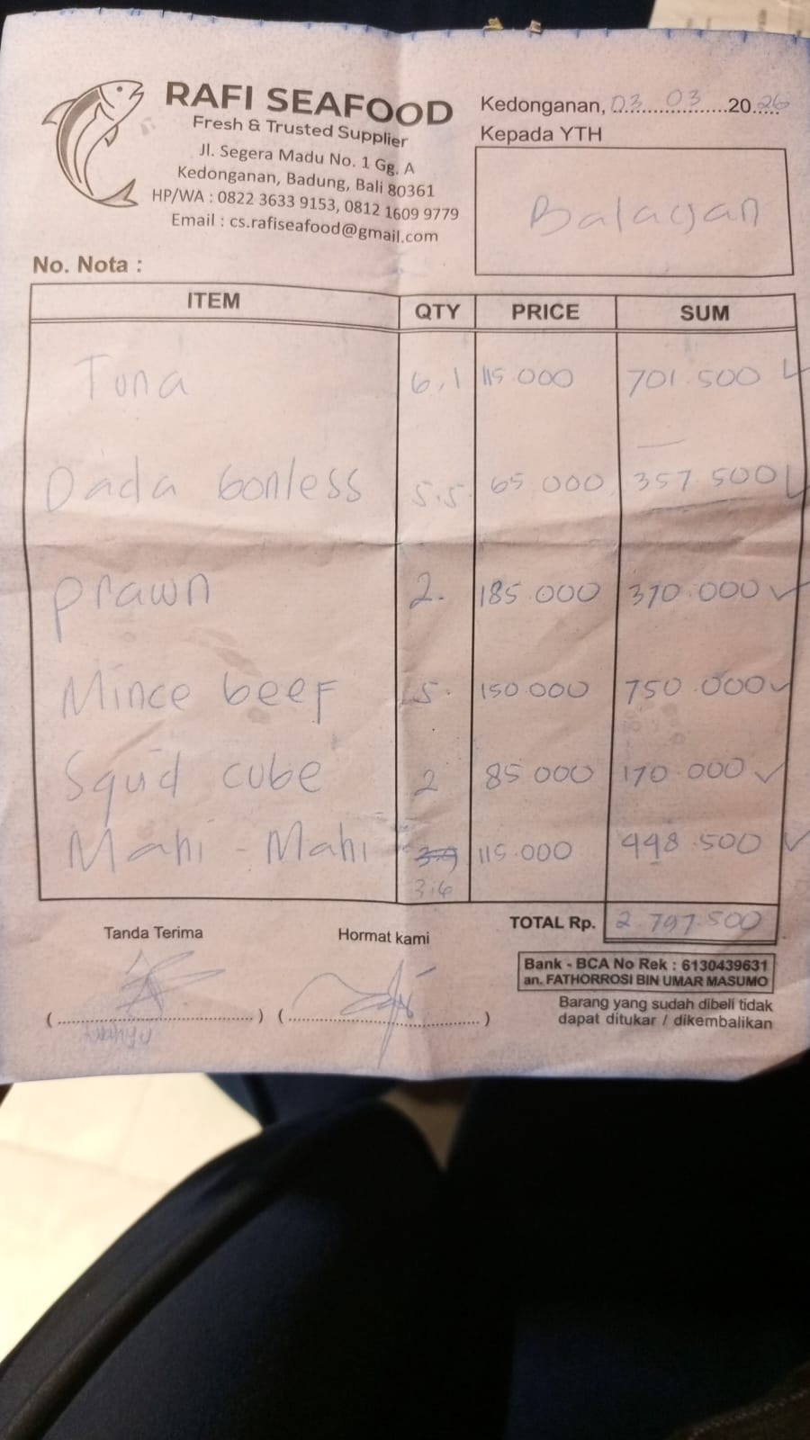 | IDR 701,500 | IDR 2,763,000
 | BONELESS BREAST | 5.5 | IDR 65,000 |  | IDR 357,500
 | PRAWN | 2 | IDR 185,000 |  | IDR 370,000
 | MINCED BEEF | 5 | IDR 150,000 |  | IDR 750,000
 | SQUID CUBE | 2 | IDR 85,000 |  | IDR 170,000
 | MAHI-MAHI | 3.6 | IDR 115,000 |  | IDR 414,000
9-Mar-2026 | SQUID CUBE | 3 | IDR 85,000 | 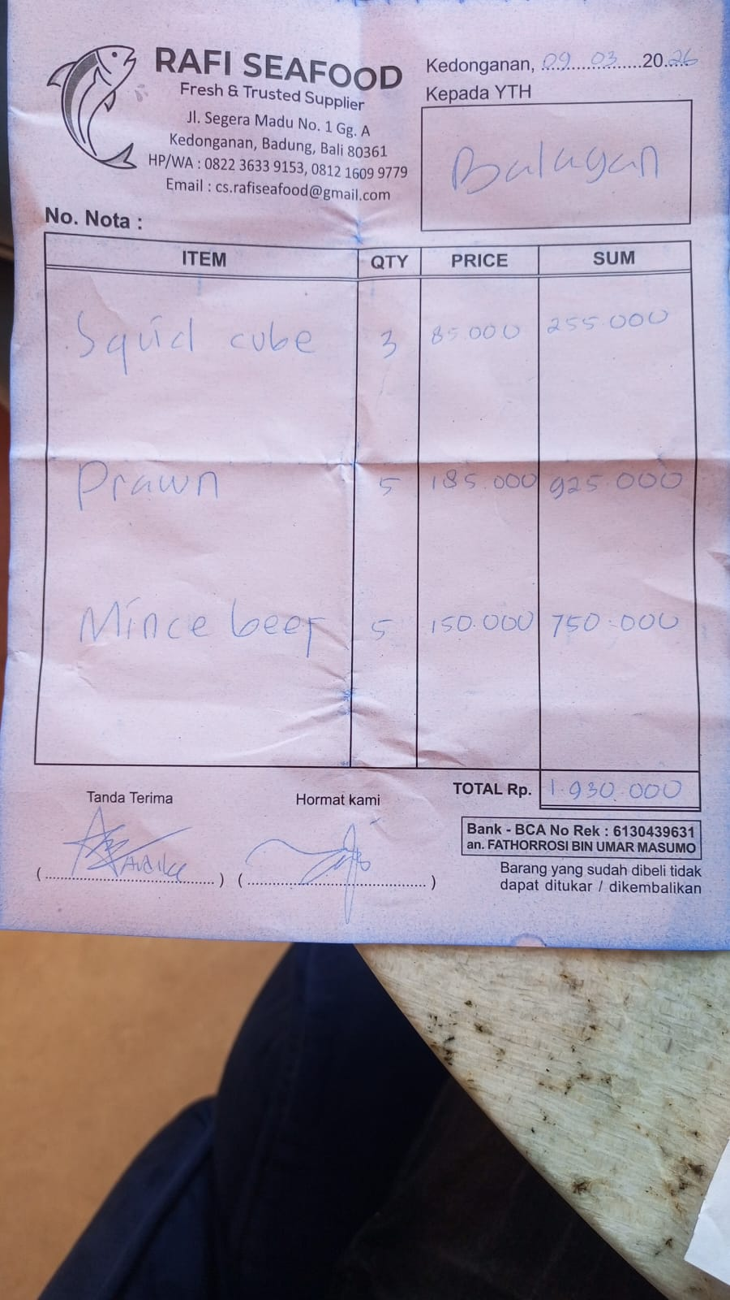 | IDR 255,000 | IDR 1,930,000
 | PRAWN | 5 | IDR 185,000 |  | IDR 925,000
 | MINCED BEEF | 5 | IDR 150,000 |  | IDR 750,000
13-Mar-2026 | PRAWN | 3.3 | IDR 185,000 | 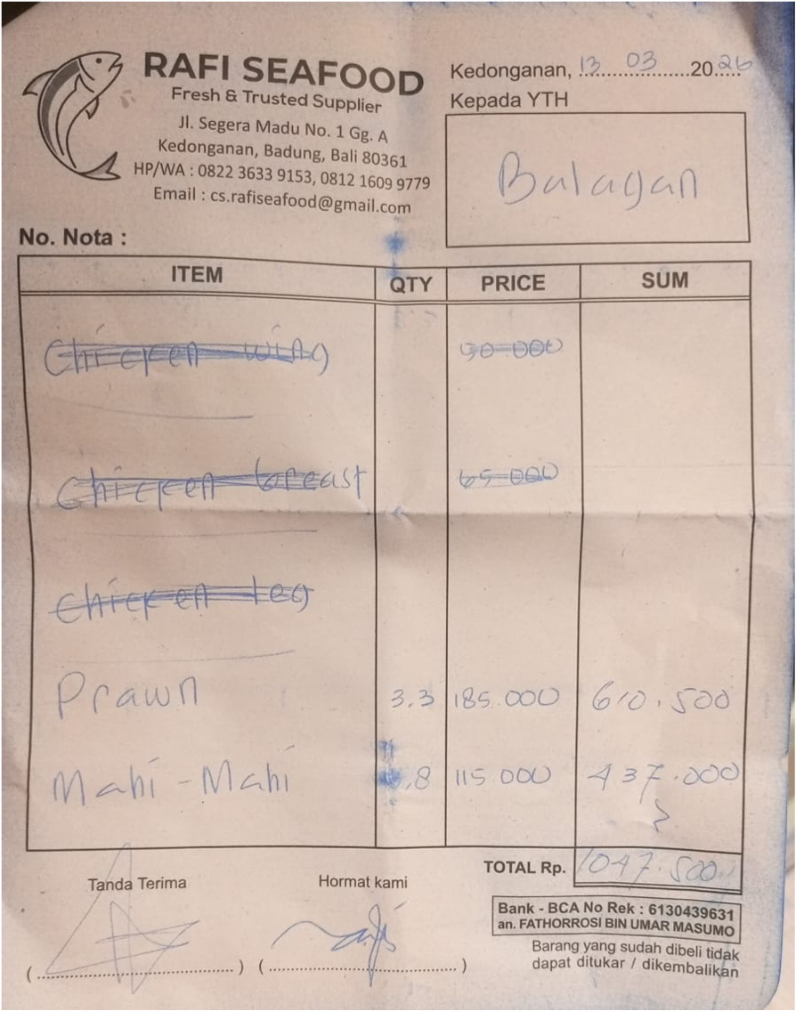 | IDR 610,500 | IDR 1,047,500
 | MAHI-MAHI | 3.8 | IDR 115,000 |  | IDR 437,000
14-Mar-2026 | CHICKEN LEG | 5 | IDR 65,000 | 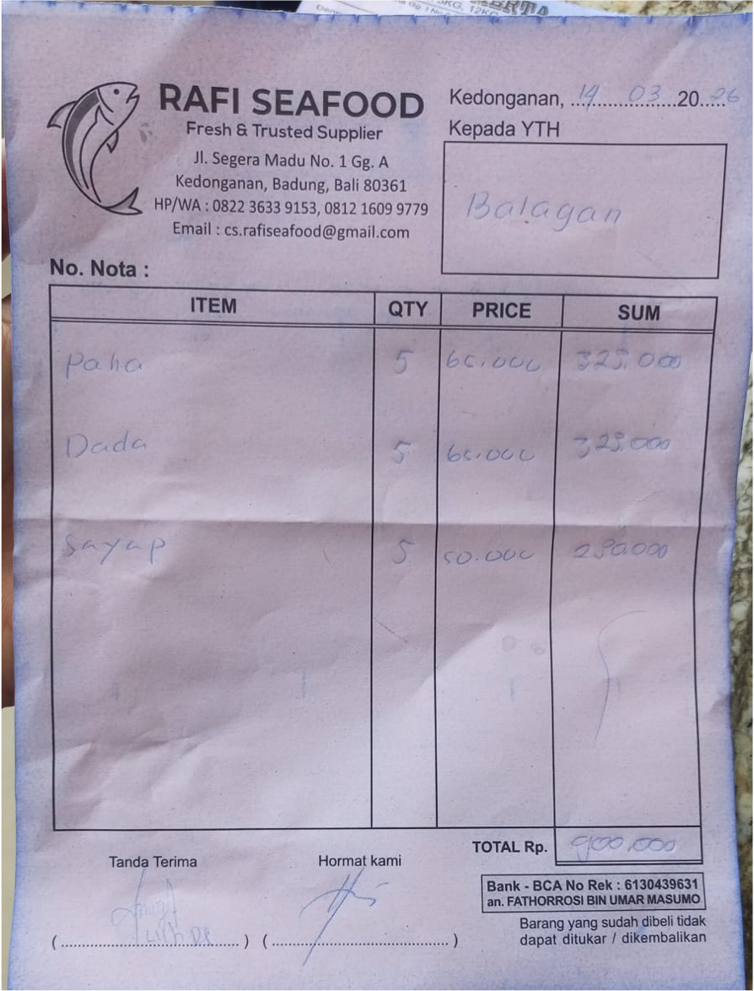 | IDR 325,000 | IDR 900,000
 | CHICKEN BREAST | 5 | IDR 65,000 |  | IDR 325,000
 | CHICKEN WING | 5 | IDR 50,000 |  | IDR 250,000
16-Mar-2026 | PRAWN | 10 | IDR 185,000 | 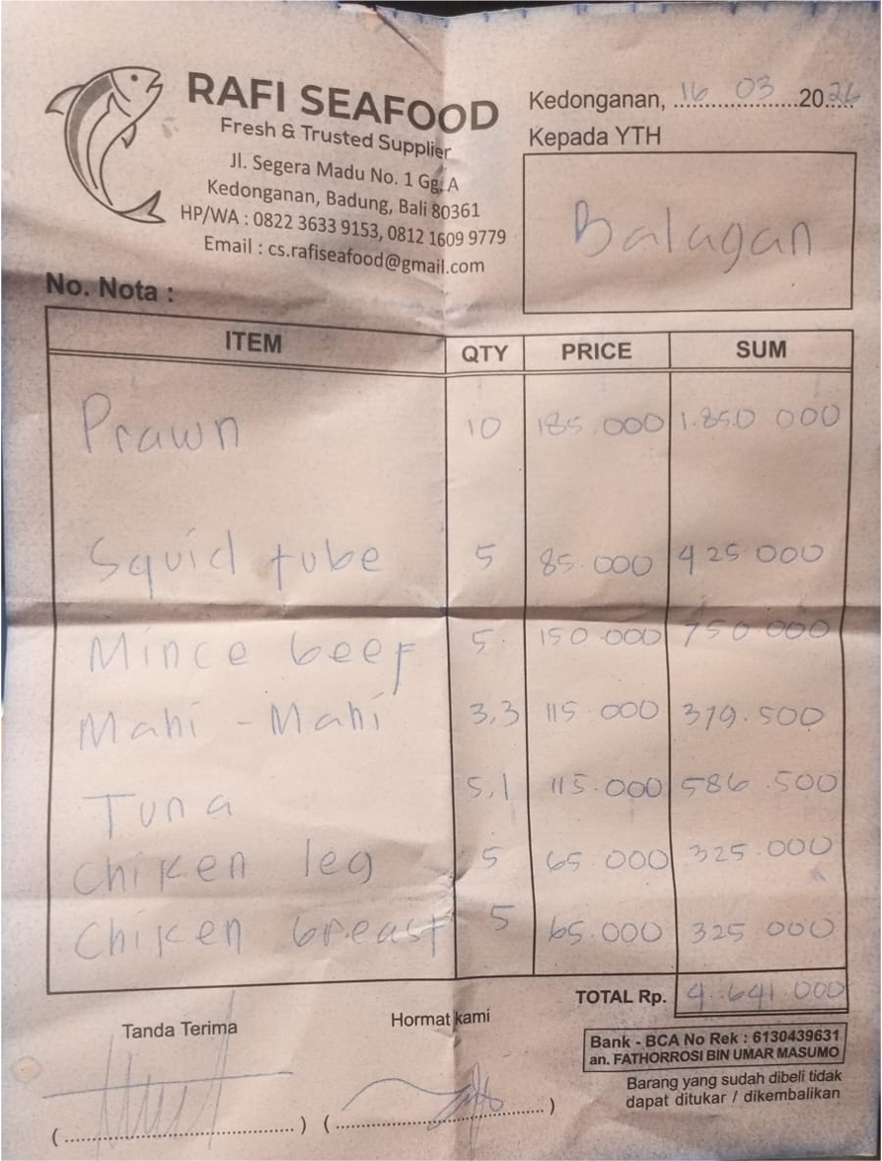 | IDR 1,850,000 | IDR 4,641,000
 | SQUID CUBE | 5 | IDR 85,000 |  | IDR 425,000
 | MINCED BEEF | 5 | IDR 150,000 |  | IDR 750,000
 | MAHI-MAHI | 3.3 | IDR 115,000 |  | IDR 379,500
 | TUNA | 5.1 | IDR 115,000 |  | IDR 586,500
 | CHICKEN LEG | 5 | IDR 65,000 |  | IDR 325,000
 | CHICKEN BREAST | 5 | IDR 65,000 |  | IDR 325,000
28-Mar-2026 | PRAWN | 5 | IDR 185,000 | 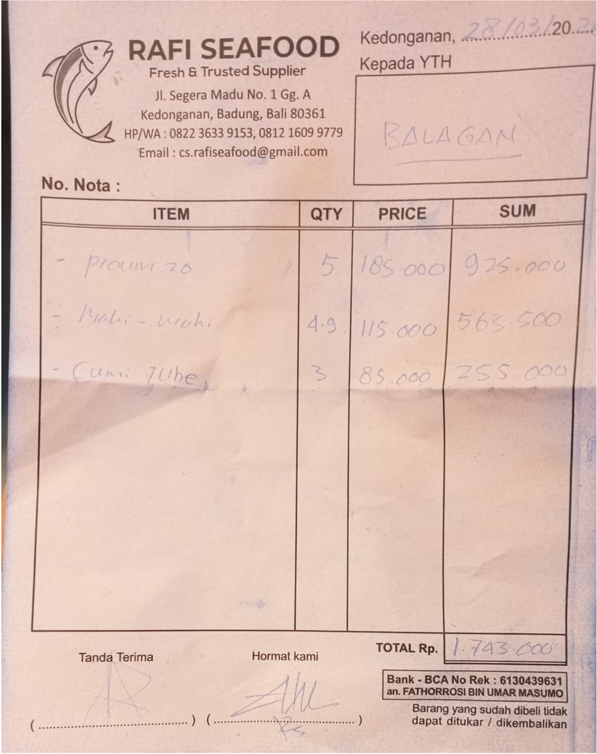 | IDR 925,000 | IDR 1,743,500
 | MAHI-MAHI | 4.9 | IDR 115,000 |  | IDR 563,500
 | SQUID CUBE | 3 | IDR 85,000 |  | IDR 255,000
31-Mar-2026 | CHICKEN LEG | 10 | IDR 65,000 | 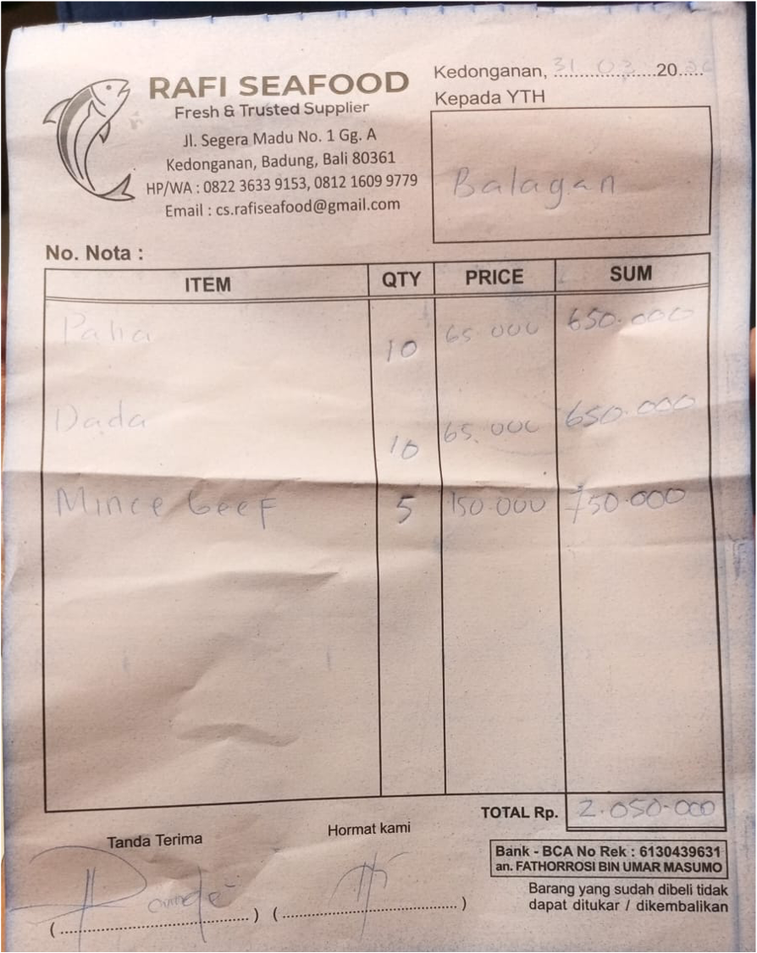 | IDR 650,000 | IDR 2,050,000
 | CHICKEN BREAST | 10 | IDR 65,000 |  | IDR 650,000
 | MINCED BEEF | 5 | IDR 150,000 |  | IDR 750,000

 |  |  | Rp15,075,000

